Zad.1.
 |  |  |  |  |  | Regression Summary for Dependent Variable: y (Spreadsheet1) R= ,81983131 R2= ,67212338 Adjusted R2= ,62528386 F(1,7)=14,349 p<,00682 Std.Error of estimate: 6,2201
 | x | y | xy | x^2 | y^2
 | 1 | 120 | 120 | 1 | 14400 | N=9 | Regression Summary for Dependent Variable: y (Spreadsheet1) R= ,81983131 R2= ,67212338 Adjusted R2= ,62528386 F(1,7)=14,349 p<,00682 Std.Error of estimate: 6,2201
 | 5 | 115 | 575 | 25 | 13225 |  | b* | Std.Err. | b | Std.Err. | t(7) | p-value
 | 10 | 132 | 1320 | 100 | 17424 | Intercept |  |  | 104.0507 | 3.848670 | 27.03550 | 0.000000
 | 8 | 123 | 984 | 64 | 15129 | x | 0.819831 | 0.216424 | 2.4565 | 0.648489 | 3.78807 | 0.006820
 | 9 | 128 | 1152 | 81 | 16384
 | 1 | 102 | 102 | 1 | 10404
 | 2 | 106 | 212 | 4 | 11236
 | 4 | 109 | 436 | 16 | 11881
 | 5 | 112 | 560 | 25 | 12544
suma | 45 | 1047 | 5461 | 317 | 122627
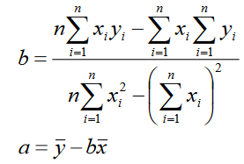

 |  | b | 2.4565217391
 |  | a | 104.05072464

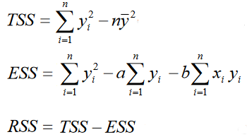
 |  |  | TSS | 826 |  | 133.52898551
 |  |  | ESS | 270.82608696
 |  |  | RSS | 555.17391304
 |  |  | R^2 | 0.67212338141

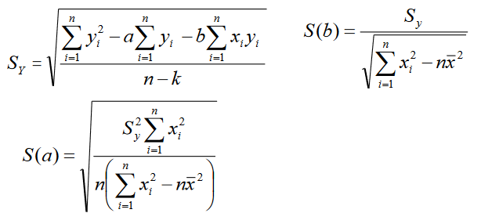
 |  |  |  |  | S(y) | 6.2200836806
 |  |  |  |  | S(b) | 0.067609605224
 |  |  |  |  | S(a) | 3.8486701378

